Assignment
UserDetailsC | Refer to the previous exercise. After saving the values, display the values in the browser using this servlet to generate the HTML output.

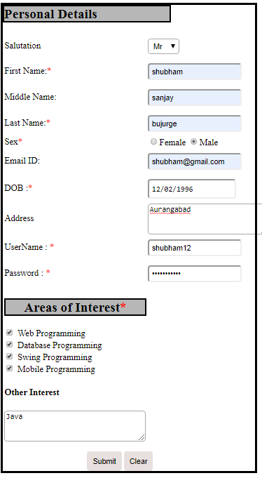
Input Screen

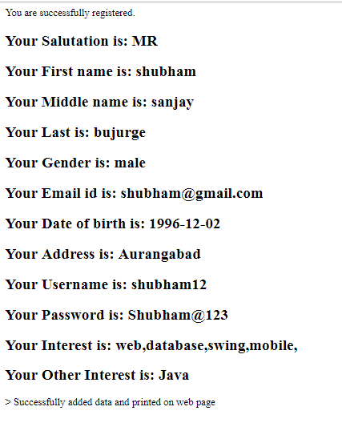
Output Screen

Database

